How to start
How to start using the 'INPUT and CALCULATIONS' sheet

Start to insert the ratings of the parameter you have observed. You do not have to give input for all parameters, see

Text can be given in the green cells
Classification and ratings of the input parameter DJ
Input of the rating for DJ is required
Parameter rating
Input of the parameter ratings
Input of one or more of these 3 parameters give more accurate value for the Degree of jointing (DJ)
Input for jointed rockmasses
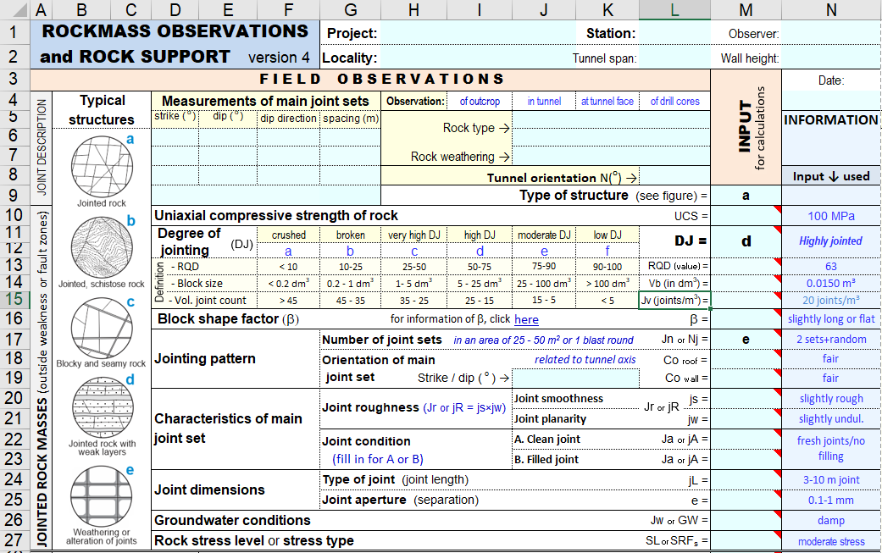

Classification and ratings of input parameter are shown in cells marked with a small, red triangle

The spreadsheet applies assumed, common conditions where no input has been given

Input of the mi factor of the Hoek-Brown failure criterion for jointed rockmasses

Input for weakness zones can be made separately or together with the input for jointed rockmasses

Input of the mi factor of the Hoek-Brown failure criterion for weakness zone

For more information on application of the 'INPUT and CALCULATIONS' sheet see help for the RMi version-3

INPUT and CALCULATIONS
RMi ROCKMASS OBSERVATIONS, GROUND QUALITY and SHEAR STRENGTH estimate (RMi version 2) |  |  |  |  |  | Project: |  |  |  | Station: |  | Observer: |  |  |  |  |  |  | HELP and COMMENTS
 |  |  |  |  |  | Locality: |  |  |  |  |  | Date: |  |  |  | NOTE 1: This spreadsheet applies common values for parameters where no input is given. The assumed (common) values used are shown in the column for input used. Common values are also shown in the sheet 'Parameter tables'.
 |  |  |  |  |  |  |  |  |  | Tunnel span: |  | Wall height:
for calculations
 | F I E L D O B S E R V A T I O N S |  |  |  |  |  |  |  |  |  |  | INPUT | INFORMATION | INPUT CHECK ↓
JOINTED ROCK MASSES (outside weakness or fault zones) | Typical structures |  | Measurements of main joint sets |  |  |  | Observation: | of outcrop | in tunnel | at tunnel face | of drill cores |  |  |  |  |  | The more input is given, the better the calculated result will be.
 |  |  | strike ( o ) | dip ( o ) | dip direction | spacing (m) | Rock type → |  |  |  |  |  | Fill in for DJ and/or SRFz
 |  | 1 |  |  |  |  |  |  |  |  |  |  |  | Tunnel span? |  | NOTE 2: When input both of DJ and SRFz is given, arching effect from the adjacent rockmass to a fault or weakness zone is included in the ground quality estimates and in the estimated support. This is marked as weakness zone*) in the support estimate.
 |  | 2 |  |  |  |  |  | Rock weathering → |  |  |  |  |  | Wall height?
 |  | 3 |  |  |  |  |  |  |  | Tunnel orientation N(o) → |  |  | Input ↓ used
 |  |  |  |  |  |  |  | Type of structure (see figure) = |  |  |  |  |  |  |  | Note: Green cells are for input | Help to calculate and compare values of RQD, Block size (Vb) and Volumetric joint count (Jv)
 |  |  | Uniaxial compressive strength of rock |  |  |  |  |  |  |  | UCS = |  |  |  |  |  | Parameter |  | Input | Answer |  |  |  |  | Equations used
(DJ)
 |  |  | Degree of |  | crushed | broken | very high DJ | high DJ | moderate DJ | low DJ | DJ = |  |  | ← input |  |  | Rock quality designation | RQD = |  |  |  | RQD (from Jv) ≈ |  |  | RQD ≈ 110-2.5Jv
 |  |  | jointing |  | a | b | c | d | e | f |  |  |  |  |  |  |  |  |  |  |  | RQD (from Vb) ≈ | 95 |  | RQD ≈ 110-2.5*(Vb/b)-1/3
Definition
 |  |  | - RQD |  | < 10 | 10-25 | 25-50 | 50-75 | 75-90 | 90-100 | RQD (value) = |  |  |  |  |  | Block volume | Vb (in dm3) = | 200.00 dm³ |  |  | Vb (from RQD) ≈ |  |  | Vb ≈ b*(44-RQD/2.5)-3
 |  |  | - Block size |  | < 0.3 dm3 | 0.3 - 1 dm3 | 1 - 3 dm3 | 3 - 15 dm3 | 15 - 70 dm3 | 70 - 500 dm3 | Vb (in dm3) = |  |  |  |  |  |  |  | = 0.200 m³ |  |  | Vb (from Jv) ≈ |  |  | Vb ≈ b*Jv-3
 |  |  | - Vol. joint count |  | > 40 | 40 - 34 | 34 - 24 | 24 - 14 | 14 - 8 | 8 - 4 | Jv (joints/m3) = |  |  |  |  |  | Volumetric joint count | Jv = |  |  |  | Jv (from Vb) ≈ | 5.9 |  | Jv ≈ (Vb/b)-1/3
 |  |  | Block shape factor (b) |  |  |  |  | for information of b, click | here |  | b = |  |  |  |  |  |  |  |  |  |  | Jv (from RQD) ≈ |  |  | Jv ≈ 44-RQD/2.5
in an area of 25 - 50 m² or 1 blast round
 |  |  | Jointing pattern |  |  | Number of joint sets |  |  |  |  | Jn or Nj = |  |  |  |  |  | Block shape | b*) = | 40
 |  |  |  |  |  | Orientation of main |  |  |  | related to tunnel axis | Co roof = |  |  |  |  |  | *) b is the shape factor for blocks |  |  |  |  |  | For more information on b | click here
 |  |  |  |  |  | joint set |  | Strike / dip ( o ) = |  |  | Co wall = |  |  |  |  |  | Block shape (b) can be estimated from input of |  | S1 = |  | m |  | answer: b =
Jr or jR
 |  |  | Characteristics of main joint set |  |  | Joint roughness (Jr or jR = js × jw) |  |  | Joint smoothness |  | js = |  |  |  |  |  |  |  | S3 = |  | m
 |  |  |  |  |  |  |  |  | Joint planarity |  | jw = |  |  |  |  |  | S1 and S3 = smallest and largest joint set spacing, or smallest and largest dimension or edge side of the block
 |  |  |  |  |  | Joint condition |  |  | A. Clean joint |  | Ja or jA = |  |  |  |  |  | Classification: b = 27 - 30 for cubical blocks, b = 30 - 38 for slightly long or flat blocks, b = 38 - 60 for moderately long or flat blocks.
 |  |  |  |  |  | (fill in for A or for B) |  |  | B. Filled joint |  | Ja or jA =
 |  |  | Joint dimensions |  |  | Type of joint (joint length) |  |  |  |  | jL = |  |  |  |  |  | Help to characterize joint or zone orientation
 |  |  |  |  |  | Joint aperture (separation) |  |  |  |  | e = |  |  |  |  |  |  | Input: |  |  |  | Answer:
 |  |  | Groundwater conditions |  |  |  |  |  |  |  | Jw or GW = |  |  |  |  |  |  | Strike ( o ) = |  |  |  |  |  | in roof
 |  |  | Rock stress level or stress type |  |  |  |  |  |  |  | SL or SRFs = |  |  |  |  |  |  | Dip ( o ) = |  |  |  |  |  | in wall
 | Input for SHEAR STRENGTH ESTIMATE |  |  | Hoek-Brown rock constant (number) |  |  |  |  | for information, click | here | mi = |  |  |  |  |  |  |  |  |  |  |  |  | in opposite wall
 |  |  |  | Effective stress (MPa) |  |  |  |  |  |  | s' (value) = |  |  |  |  |  | Green cells are for input
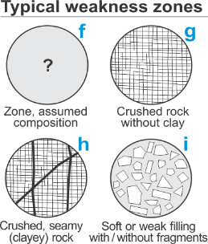
WEAKNESS / FAULT ZONE |  |  |  | Type of weakness zone (see figure) |  |  |  | Input of SRFz is required for calculation of weak zone |  |  | SRFz =
 |  |  |  |  |  |  |  |  |  |  |  |  |  | ← input |  |  |  |  | NOTE: The strike (0 - 90o) is related to the orientation of the tunnel
 |  |  |  | Compressive strength of rock fragments or material in the zone |  |  |  |  |  |  | UCS (MPa) =
 |  |  |  | Size (thickness) of the weakness / fault zone |  |  |  |  |  |  | Tz (m) =
 |  |  |  | Average rock fragment size or block size in the weakness zone |  |  |  |  |  |  | Vbz (dm3 ) =
 |  |  |  | Orientation of the zone related to tunnel axis |  |  | strike / dip ( o ) = |  |  |  | Coz roof = |  |  |  |  |  | You may better check the rock support estimated, by using relevant RMi or Q rock support
 |  |  |  |  |  |  |  |  |  |  | Coz wall = |  |  |  |  |  | charts and the values for the Ground quality vs. the Size of the tunnel (span or wall height) .
 |  |  |  | Zone condition and filling |  |  |  |  |  |  | Jaz = |  |  |  |  |  | Note 3: The rock support spreadsheet is only a help in the rock design process. It will not give
 |  |  |  | Groundwater condition |  |  |  |  |  |  | Jw or GW = |  |  |  |  |  | the right answer for all types of rock masses and ground conditions.
 | Input for SHEAR STRENGTH ESTIMATE |  |  | Hoek-Brown rock constant (number) |  |  |  |  | for information, click | here | mi =
 |  |  |  | Effective normal stress (MPa) |  |  |  |  |  |  | s' (value) =
version_2 |  |  |  |  |  |  |  | C A L C U L A T E D R E S U L T S |  |  |  | CHECK INPUT | (need input of DJ and/or SRFz) |  |  |  |  |  | Try to understand the geological setting and the actual site conditions
A. Palmström, 2021
Gc = Ground condition factor in roof
 |  |  | RMR system |  |  | Q system |  |  |  |  | RMi system |  |  | Parameters in RMi support system: |  |  |  |  | when selecting the input parameter ratings.
Sr = Size ratio in roof
 |  |  |  |  |  |  |  |  |  |  |  |  |  |  |  |  | Do not forget to apply engineering and geological judgement to evaluate the site conditions and the values of the input parameters, as well as the behaviour of the ground in the underground opening

strength of rockmass (in MPa)
 |  |  |  |  |  |  |  |  |  |  |  |  |  | ← The RMi value indicates the compressive

jointed rock
SHEAR STRENGTH PARAMETERS |  |  |  |  |  |  |  |  |  | undisturbed |  | disturbed
 |  | Instantaneous friction angle (degree) |  |  |  |  |  |  | fi =
 |  | Shear stress (MPa) |  |  |  |  |  |  | ti =
 |  | Instantaneous cohesion (MPa) |  |  |  |  |  |  | ci =
zone
weakness
 |  | Instantaneous friction angle (degree) |  |  |  |  |  |  | fi =
 |  | Shear stress (MPa) |  |  |  |  |  |  | ti =
 |  | Instantaneous cohesion (MPa) |  |  |  |  |  |  | ci =

 | Assumptions
 |  |  |  |  | If no value of weakness zone thickness is given, | 2.0 m | is used. |  |  |  | If no information on tunnel span is given, | 10.0 m | is used
 |  |  |  |  | Massive rockmasses occur when block volume Vb > | 6 m³ | and tunnel span >10 m. |  |  |  | If no information on wall height, | 4.0 m | is used

 | I N T E R I M C A L C U L A T I O N S
 |  | Q system |  |  |  |  |  |  | RMR system
Parameter |  |  |  | jointed rock | weakness zone | Comment |  |  | Parameter |  |  | Rating | Comment |  |  |  | CLASSIFICATIONS USED
 |  |  |  |  |  | RQD from Jv | from Vbzone |  |  |  |  |  |  |  |  |  | (Blue numbers and blue text can be adjusted)
RQD |  |  |  |  |  |  |  |  | Rock strength |  | A1 = | 7 |  |  |  |  | Classification of RMR
 |  |  | RQD used = |  |  |  |  |  | RQD | A2 = |  |  |  |  |  |  | RMR = | 100 | - | 80 | very good
Number of joint sets |  |  | Jn = | 0.75 |  |  | ← from Vb |  | Joint spacing rating |  |  | - | Very large spacing |  |  |  | RMR = | 80 | - | 60 | good
 |  |  |  |  |  |  |  |  |  |  |  | - |  |  |  |  | RMR = | 60 | - | 40 | fair
 |  |  | Jn used = | 0.75 |  |  |  | No or few joints |  |  | A3 used = |  |  |  |  |  | RMR = | 40 | - | 20 | poor
Joint roughness factor (Jr = js x jw) |  |  | js = | 1.25 |  |  |  |  |  | Joint length | A4a = | 2 |  |  | Jont conditions |  | RMR = | 20 | - | 0 | very poor
 |  |  | jw = | 1.4 |  |  | (common value) |  |  | Joint separation | A4b = | 4
 |  |  | Jr used = | 1.75 | 1 |  | in zones Jr= 1 | No or few joints |  | Joint roughness | A4c = | 3 |  |  |  |  | Classification of Q
Joint alteration factor |  |  | Ja = | 1 |  | (common value) |  |  | Joint infilling | < 5mm | A4d = | 6 | A4 = | 21 |  |  | Q = | 1000 | - | 400 | except. good
 |  |  |  |  |  |  |  |  |  | > 5mm |  |  |  |  |  |  | Q = | 400 | - | 100 | extr. good
 |  |  |  |  |  |  |  |  | Joint weathering A4e = |  |  | 6 |  |  |  |  | Q = | 100 | - | 40 | very good
 |  |  | Ja used = | 1 |  |  |  | Unaltered, fresh joint walls // no filling | Infilling+weathering used = |  |  | 12 |  |  |  |  | Q = | 40 | - | 10 | good
Joint water factor |  |  | Jw = | 1 | 1 | damp | damp |  | Water |  | A5 = | 10 |  |  |  |  | Q = | 10 | - | 4 | fair
Stress reduction factor |  |  | SRFstress → | 1 |  | ← SRF zone |  |  | Joint orientation |  | B = | -2 | (in roof) |  |  |  | Q = | 4 | - | 1 | poor
 |  |  | SRFwall = |  |  | SRF adjust for walls > 10m |  | Unaltered, fresh joint walls // no filling | RMR = |  |  |  |  |  |  |  | Q = | 1 | - | 0.1 | very poor
Q value |  |  | Q = |  |  |  |  |  | Limitation of RMR: |  |  |  |  |  |  |  | Q = | 0.1 | - | 0.01 | extr. poor
 |  |  | Qzone*) = |  |  |  |  |  |  |  |  |  |  |  |  |  | Q = | 0.01 | - | 0.001 | except. poor
 |  |  | Qz = |  |  |  |  |  | Deformation modulus |  | Em = |  | GPa (for RMR > 50)
 |  |  | Qc = |  |  | Q-value including UCS |  |  |  |  | Em = |  | GPa (for RMR < 50) |  |  |  | Classification of RMi
 |  |  | Qwall = |  |  |  |  |  |  |  |  |  |  |  |  |  | RMi = | 100 | - | 40 | very high
 |  |  | support Qwall = |  |  | support |  |  |  |  |  |  |  |  |  |  | RMi = | 40 | - | 10 | high
Tunnel data |  |  | ESR = | 1 |  |  |  |  |  |  |  |  |  |  |  |  | RMi = | 10 | - | 1 | moderate
 |  |  | Span = | 10.0 m |  | span/ ESR = | 10.0 m | NOTE: | blue values and blue text can be adjusted |  |  |  |  |  |  |  | RMi = | 1 | - | 0.4 | low
 |  |  | Wall height = | 4.0 m |  | wall height/ ESR = | 4.0 m |  |  |  |  |  |  |  |  |  | RMi = | 0.4 | - | 0.1 | very low
Limitation of Q: |  |  |  |  |  |  |  |  |  |  |  |  |  |  |  |  | RMi = | 0.1 | - | 0.01 | extr. low

 |  |  |  |  |  |  |  |  |  |  |  |  |  |  |  |  | Classification of ground condition factor (Gc)
 |  |  | Deformation modulus Em = |  | GPa (for Q > 1) |  |  |  |  |  |  |  |  |  |  |  |  | Gc | > | 10 | very good
 |  |  |  |  |  |  |  |  |  |  |  |  |  |  |  |  | Gc = | 10 | - | 4 | good
 |  |  |  |  |  |  | RMi system |  |  |  |  |  |  |  |  |  | Gc = | 4 | - | 1 | fair
 | 1. Input parameters for jointed rock masses (between zones) |  |  |  |  |  |  |  | 2. Further calculations of jointed rock masses |  |  |  |  |  |  |  | Gc = | 1 | - | 0.4 | poor
Parameter |  |  |  |  | Value | Comment |  |  | Parameter |  |  | Value | Comment |  |  |  | Gc = | 0.4 | - | 0.1 | very poor
Rock strength |  |  |  | sc = | 100 | MPa | medium |  | Tunnel span (m) |  | Dt = | 10.00 m | assumed (no input given) |  |  |  | Gc = | 0.1 | - | 0.01 | extr. poor
Joint roughness factor |  |  |  | js = | 1.25 |  |  |  | Wall height (m) |  | Wt = | 4.00 m | assumed (no input given)
 |  |  |  | jw = | 1.4 |  |  |  | Rockmass continuity factor |  | CFroof = |  |  |  |  |  | Classification of Size ratio (Sr)
 |  |  |  | jR used = | 1.75 |  |  |  |  |  | CFwall = |  |  |  |  |  |  | Sr | < | 4 | v. favourable
Joint alteration factor |  |  |  | jA = | 1 | fresh joints/no filling |  |  | Ground water |  | GW = | 1 |  |  |  |  | Sr = | 4 | - | 10 | favourable
 |  |  |  |  |  |  |  |  | Stress level |  | SL = | 1 | (for weak zones, SL = 1) |  |  |  | Sr = | 10 | - | 40 | fair
 |  |  |  |  |  |  |  |  |  |  | SLwall = |  | adjusted for walls > 10m |  |  |  | Sr = | 40 | - | 100 | unfavourable
 |  |  |  | jA used = | 1 | fresh joints/no filling |  |  | Number of joint sets |  | Nj used = | 6 |  |  |  |  | Sr = | 100 | - | 400 | v. unfavour.
Joint size factor |  |  |  | jL = | 1 | 3-10 m joint |  |  | Joint orientation |  | Coroof = | 1 | favourable | Cowall = | 1 | favourable |  | Sr | > | 400 | extr. unfavour.
Joint condition factor |  |  |  | jC = | 1.75 |  |  |  | Rock Mass index |  | jointed RMi =
Block shape factor |  |  |  | b = | 34 | slightly long or flat |  |  | 4. Rockmass calculations |  |  |  |  |  |  |  | Classification of block size (in m3 ):
Block volume (m3) |  |  |  | Vb = |  |  |  |  |  |  | jointed rock | weak zone |  |  |  |  |  | Vb | > | 100 | extremely large
 |  |  |  | Vb used = |  |  |  |  | Ground condition factor | Gcroof |  |  |  |  |  |  | Vb = | 30 | - | 100 | very large size
Block diameter (m) |  |  |  | Db = |  | m |  |  |  | used Gcroof |  |  |  |  |  |  | Vb = | 1 | - | 30 | large size
Jointing parameter |  |  |  | JP = |  |  |  |  |  | Gcwall |  |  |  |  |  |  | Vb = | 0.03 | - | 1 | moderate size
Massivity factor |  |  |  | fs = |  |  |  |  |  | used Gcwall |  |  |  |  |  |  | Vb = | 0.001 | - | 0.03 | small size
Interlocking//compactness |  |  |  | IL = | #REF! |  |  |  | Size ratio | Srroof |  |  |  |  |  |  | Vb = | 0.00001 | - | 0.001 | very small size
Parameters in Hoek-Brown failure criterion for rock masses |  |  |  |  |  |  |  |  |  | used Srroof |  |  |  |  |  |  |  | Vb | ≤ | 0.00001 | extremely small
s - value |  |  |  | s = |  | ( s = JP2 ) |  |  |  | Srwall
mb undisturbed |  |  |  | mb = |  |  |  |  |  | used Srwall
mb disturbed |  |  |  | mb = |  |  |  |  | Limitation of RMi: |  |  |  |  |  |  |  | NOTE: | blue values and blue text can be adjusted
Calculation factor |  |  |  | h = |  | h =
 |  |  |  |  | undisturbed |  | disturbed
 | 3. RMi calculations of weakness zones
Strength of zone fragments |  |  |  | UCS = |  | MPa
Fragment size in zone |  |  |  | Vbz = | #VALUE! | dm3 = | #VALUE!
Fragment diameter in zone |  |  |  | Dbz = | #VALUE! | dm = | #VALUE!
Number of joint sets |  |  |  | Njz = | #VALUE! |  |  |  | Parameters in Hoek-Brown failure criterion weakness zone
Joint alteration in zone |  |  |  | jAz = |  |  |  |  | s - value |  | s = |  | ( s = JP2 )
Joint condition in zone |  |  |  | jCz = |  |  |  |  | mb undisturbed |  | mb =
Jointing parameter in zone |  |  |  | JPz = | #VALUE! |  |  |  | mb disturbed |  | mb =
Zone width (thickness) |  |  |  | Tz = |  | m |  |  | Calculation factor |  | h = |  | h =
Zone orientation |  |  | roof | Coz = |  |  |  |  |  |  |  | undisturbed |  | disturbed
 |  |  | wall | Coz = |  |  |  |  | For jointed rockmasses
Groundwater condition |  |  |  | GW = | 1 |  |  |  | Rockmass deformation modulus (calculated from RMi) |  | Em = |  | GPa (new eq. RMi)
Zone width vs. tunnel size |  |  |  | Tz > Dt? | - | roof |  |  |  |  | Em = |  | GPa (old eq. RMi )
 |  |  |  | Tz > Wt? | - | wall |  |  |  |  | Em (max) = |  | GPa (Em = 0.2*UCS)
RMi in weak zone |  |  |  | zone RMiz = |  | only of zone
 |  |  |  | interaction RMim = |  | of zone and adjacent rockmass
 |  |  |  | resulting RMizone =

 | Weakness zone
Type of weakness zone |  |  |  | Average rock UCSz (MPa) |  |  | Average joint condition factor jCz |  |  | Approximate fragment size |  |  | Block diam. (Dbz) | Typical value
 |  |  |  |  |  |  |  |  |  | Vbz ( m³ )
(see 'Parameter tables') |  |  |  | assumed*) | input | used | assumed*) | input | used | assumed*) | from input | used | m | RMiz
f | Unknown type |  |  | 50 |  |  | 0.5 |  |  | 0.001
g | Crushed zone, clay-free |  |  | 75 |  |  | 1 |  |  | 0.0001
h | Crushed zone, with clayey joints |  |  | 50 |  |  | 0.2 |  |  | 0.0001
i | Zone filled with soft material |  |  | 0.01 |  |  | (no joints in soft fill) |  |  | 0.0001
*)Adjustments can be made |  |  |  | here
 |  |  |  |  |  |  |  |  |  |  | Used in calculations →
 |  |  |  |  |  |  |  |  |  |  |  |  | NOTE: For type (i) Filled weakness zones, the RMiz ≈ UCSz × fs
 |  |  |  |  |  |  |  |  |  |  |  |  | NOTE: For type i, 'Zone filled with soft material', a "fictive" value of Vbz = 0.001 is used

Example of Input
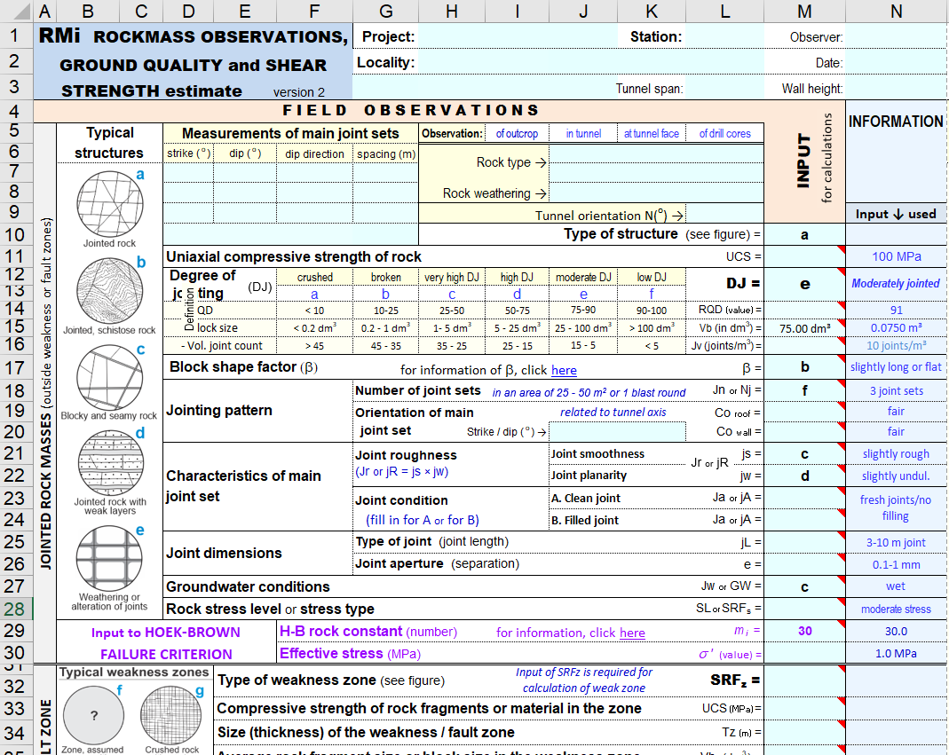
E X A M P L E

Parameter tables
Correlations of the input parameters to Q, RMR and RMi |  |  |  |  |  |  |  |  |  |  |  |  |  |  |  |  |  | 2221
Common values are shown with bold numbers or letters |  |  |  |  |  |  |  |  |  |  |  | version_2
 |  |  |  |  |  |  |  |  |  |  |  |  |  | NOTE: blue values can be adjusted
A | ROCKS |  |  |  |  | input | RMR1989 |  | Q |  | RMi
A1 | Uniaxial compressive strength (UCS or sc) of intact rock |  |  |  |  |  | A1 = |  | - |  | sc =
 | Soil |  | sc (MPa) | < | 1 | a | 0 |  | Not included, except in Qc = Q x sc /100 |  | 0.5 |  |  | Input rating of UCS (A1) to RMR is automatically calculated from the UCS value given
very low | Rock | Very low strength | 1 | - | 5 | b | 1 |  |  |  | 3
low |  | Low strength | 5 | - | 25 | c | 2 |  |  |  | 15
moderate |  | Moderate strength | 25 | - | 50 | d | 4 |  |  |  | 37.5
medium |  | Medium strength | 50 | - | 75 | e | 7 |  |  |  | 62.5
medium |  |  | 75 | - | 100 | f | 7 |  |  |  | 87.5
high |  | High strength | 100 |  | 150 | g | 12 |  |  |  | 125
high |  |  | 150 |  | 250 | h | 12 |  |  |  | 200
very high |  | Very high strength | sc (MPa) | > | 250 | i | 15 |  |  |  | 300
A2 | Rock weathering
 | Unweathered / fresh | No visible signs of weathering. Rock fresh, crystals bright. Few discontinuities may show slight staining. |  |  |  |  |  |  |  |  |  |  |  | The degree of weathering is only used as information on the rock condition. Rocks in or near the terrain surface show often some weathering
 | Slightly weathered | Penetrative weathering developed on open disco¬ntinuity surfaces but only slight weathering of rock material. Discontinuities are discoloured and discoloration can extend into rock up to a few mm from discontinuity surface.

 | Moderately weathered | Slight discoloration extends through the greater part of the rock mass. The rock is not friable (except in the case of poorly cemented sedimentary rocks). Discontinuities are stained and/or contain a filling of altered materials.

 | Highly weathered | Weathering extends throughout rock mass and the rock material is partly friable. Rock has no lustre. All material except quartz is discoloured. Rock can be excavated with geologist's pick.

 | Completely weathered | Rock is totally discoloured and decomposed and in a friable condition with only fragments of the rock texture and structure preserved. The external appearance is that of a soil.

 | Residual soil | Soil material with complete disintegration of texture, structure and mineralogy of the parent rock.

B | DEGREE OF JOINTING |  |  |  |  | input | RMR1989 |  | Q |  | RMi
B1 | Rock quality designation (RQD) |  |  |  |  |  | A2 = |  | RQD = |  | -
 | Very poor |  | RQD | < | 10 | a | 5 |  | 10 |  | Not included |  |  | Input rating of RQD (A2) to RMR is automatically calculated from input or calculation of RQD
 |  |  | 10 | - | 25 | b | 5 |  | 18
 | Poor |  | 25 | - | 50 | c | 8 |  | 38
 |  |  | 50 | - | 75 | d | 8 |  | 63
 | Fair |  | 75 | - | 90 | e | 13 |  | 83
 |  |  | 90 | - | 100 | f | 13 |  | 95
 | A crude value of RQD may be found from RQD = 110-4.5Jv (Jv is the volumetric joint count)
B2 | Block volume (Vb) |  |  |  |  |  | - |  | - |  | Vb (in m3) =
crushed | Crushed | in dm3 |  | < | 0.2 | a | Not included |  | Not included |  | 0.0001 |  |  | RQD and joint spacing (Sa) will be calculated from Vb if only input of Vb or DJ is given.
 |  |  | 0.2 | - | 1 | b |  |  |  |  | 0.00060
broken | Broken /small blocks | in dm3 | 1 | - | 5 | c |  |  |  |  | 0.00300
highly jointed | Small blocks | in dm3 | 5 | - | 25 | d |  |  |  |  | 0.015
moder. jointed | Moderately/medium sized blocks in dm3 |  | 25 | - | 100 | e |  |  |  |  | 0.06
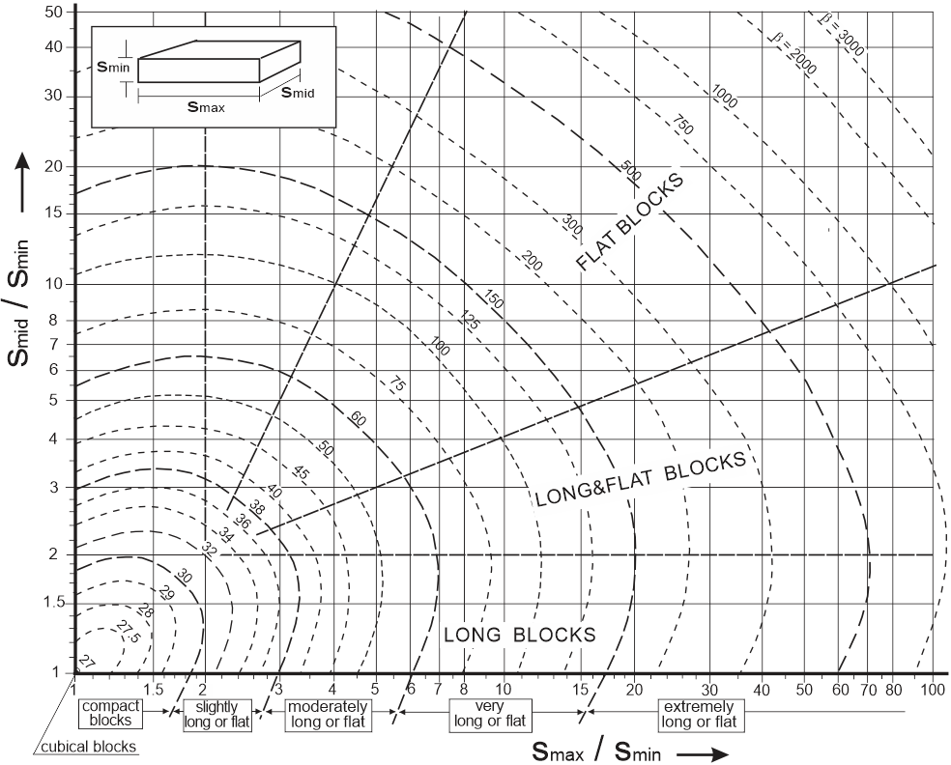
slightly jointed | Large blocks | in dm3 | 100 | - | 500 | f |  |  |  |  | 0.300
massive | Very large blocks | in dm3 | 500 | - | 2500 |  |  |  |  |  | 2.500
 | Vb may be calculated from Vb = b*Jv-3; A crude value of Vb may be found from 36*Jv-3 (b = block shape factor)
B3 | Volumetric joint count (Jv) Average value |  | variation |  |  |  | - |  | - |  | -
 | Extremely dense | 50 |  | > | 40 | a | Not included |  | Not included |  | Not included |  |  | Values of RQD and Vb will automatically be calculated if only input of Jv is given.
 | Very high | 37.5 | 40 | - | 35 | b
 |  | 30 | 35 | - | 25 | c
 | Medium | 20 | 25 | - | 15 | d
 |  | 10 | 15 | - | 5 | e
 | Low | 3 | 5 | - | 1 | f
 | Input for Jv may be used instead of Vb and/or RQD
B4 |  |  | variation |  |  |  | A3 = |  | - |  | -
 | Very large spacing |  | Spacing | > | 2.0m |  | 20 |  | Not included |  | Not included |  |  | When value for joint spacing (B4) is not given, it is automatically calculated from the block diameter (Db)
 | Large spacing |  | 0.6 | - | 2 |  | 15
 | Moderate spacing |  | 0.2 | - | 0.6 |  | 10
 | Small spacing |  | 0.06 | - | 0.2 |  | 8
 | Very small spacing |  |  | < | 0.06 |  | 5
 | 1) Where more than one joint set occurs, the rating for the smallest spacing should be applied

C | JOINTING PATTERN |  |  |  |  | input | RMR1989 |  | Q |  | RMi |  |  | Block shape factor (b) is used in the calculations of block size (Vb), volumetric joint count (Jv), and RQD
C1 | Block shape factor (b) |  |  |  | Ratio largest side/smallest side |  | - |  | - |  | b = | bused =
cubical | Cubical blocks (or compact blocks) |  | 1 - 1.8 |  |  | a | Not included |  | Not included |  | 27-30 | 27
slightly long or flat | Slightly long and/or flat blocks |  | 1.8 - 3 |  |  | b |  |  |  |  | 30-38 | 34
mod. long or flat | Moderately long and/or flat |  | 3 - 6 |  |  | c |  |  |  |  | 38-60 | 50 |  |  |  |  |  |  | Classification of the block shape factor (b)
very long or flat | Very long and/or flat blocks |  | 6 - 17 |  |  | d |  |  |  |  | 60-150 | 100
extremely long or flat | Extremely long and/or flat blocks |  | > 17 |  |  | e |  |  |  |  | >150 | 300 |  | Estimated Jn, based on Vb, when input for C2 (joint sets) is not given
C2 | Joint sets |  |  |  |  |  | - |  | Jn = |  | Nj = |  |  | BLOCK VOLUME (Vb) in m³ |  |  | Number of JOINT SETS used
few random | No or few joints |  |  |  |  | a | Not included |  | 0.75 |  | 6 |  |  | 15 | m³ or larger |  | No or few joints
1 joint set | 1 joint set |  |  |  |  | b |  |  | 2 |  | 3 |  |  | 5 | - | 15 | 1 joint set
1 set+random | 1 joint set + random joints |  |  |  |  | c |  |  | 3 |  | 2 |  |  | 1 | - | 5 | 1 joint set + random joints
2 joint sets | 2 joint sets |  |  |  |  | d |  |  | 4 |  | 1.5 |  |  | 0.1 | - | 1 | 2 joint sets
2 sets+random | 2 joint sets + random joints |  |  |  |  | e |  |  | 6 |  | 1.2 |  |  | 0.01 | - | 0.1 | 2 joint sets + random joints
3 joint sets | 3 joint sets |  |  |  |  | f |  |  | 9 |  | 1 |  |  | 0.001 | - | 0.01 | 3 joint sets
3 sets+random | 3 joint sets + random joints |  |  |  |  | g |  |  | 12 |  | 0.85 |  |  | 0.0001 | - | 0.001 | 3 joint sets + random joints
> 4 joint sets | 4 joint sets or more; heavily jointed |  |  |  |  | h |  |  | 15 |  | 0.6 |  |  | 0.00001 | - | 0.0001 | 4 joint sets or more; heavily jointed
crushed | Crushed, earth-like |  |  |  |  | i |  |  | 20 |  | 0.5 |  |  | TERM |  | In one WALL |  |  |  |  |  | In opposite WALL |  |  |  |  |  | In ROOF
 |  |  |  |  |  |  |  |  |  |  |  |  |  |  |  | strike |  |  | dip |  |  | strike |  |  | dip |  |  | strike | dip
C3, C4 | Orientation of main joint set (C3 in roof; C4 in walls) |  |  |  |  |  | B = |  | - |  | Co = |  |  | Very favourable |  | all |  |  |  | < | 15 | all |  |  |  | < | 15 | all strikes
very favour. | Very favourable |  |  |  |  | a | 0 |  | Not included |  | 1 |  |  |  |  |  | > | 70 | all |  |  |  | > | 70 | all |  |  |  |  | > | 60
favourable | Favourable |  |  |  |  | b | -2 |  |  |  | 1 |  |  | Favourable |  |  | < | 20 |  | < | 20 |  | < | 20 |  | < | 20 |  | 45 | - | 60
fair | Fair |  |  |  |  | c | -5 |  |  |  | 1.5 |  |  | Fair |  |  | < | 20 | 20 | - | 45 |  | < | 20 |  | ≤ | 60 |  | 30 | - | 45
unfavourable | Unfavourable |  |  |  |  | d | -10 |  |  |  | 2 |  |  |  |  | 20 | - | 70 |  | < | 45 | 20 | - | 70 | all
very unfavour. | Very unfavourable |  |  |  |  | e | -12 |  |  |  | 3 |  |  | Unfavourable |  | 20 | - | 70 | 45 | - | 90 |  | < | 20 |  | > | 60 |  | 15 | - | 30
 |  |  |  |  |  |  |  |  |  |  |  |  |  | Very unfavourable |  |  | < | 20 | 45 | - | 90 |  | - |  |  | - |  |  |  | < | 15
D | JOINT CHARACTERISTICS |  |  |  |  | input | RMR1989 |  | Q1) |  | RMi
D1 | Joint wall smoothness (small scale roughness) (called 'roughness' in the RMR) |  |  |  |  |  | A4c = |  | (js =) |  | js =
very rough | Very rough or interlocking |  |  |  |  | a | 6 |  | 2 |  | 2
rough | Rough or irregular |  |  |  |  | b | 5 |  | 1.5 |  | 1.5
slightly rough | Slightly rough |  |  |  |  | c | 3 |  | 1.25 |  | 1.25
smooth | Smooth |  |  |  |  | d | 1 |  | 1 |  | 1
polished | Polished |  |  |  |  | e | 0 |  | 0.75 |  | 0.75
slickensided | Slickensided |  |  |  |  | f | 0 |  | 0.5 |  | 0.5
filled joint | For filled joints |  |  |  |  | g | 0 |  | 1 |  | 1
D2 | Joint plane undulation or waviness (large scale roughness) |  |  |  |  |  | - |  | (jw =) |  | jw =
discontinuous | Discontinuous joints |  |  |  |  | a | Not included |  | 4 |  | 4
strongly undul. | Strongly undulating |  |  |  |  | b |  |  | 2.5 |  | 2.5
mod. undul. | Moderately undulating |  |  |  |  | c |  |  | 2 |  | 2
slightly undul. | Slightly undulating |  |  |  |  | d |  |  | 1.4 |  | 1.4
planar | Planar |  |  |  |  | e |  |  | 1 |  | 1
for filled joint | For filled joints |  |  |  |  | g |  |  | 1 |  | 1
 | 1) Jr is found from: js x jw |  |  |  | Note: jR = Jr = js x jw = 1 for filled joints
D3 | Joint alteration or weathering |  |  |  |  |  | A4e = |  | Ja = |  | jA =
healed joint | Healed or welded joints |  |  |  |  | a | 6 |  | 0.75 |  | 0.75
fresh joints/no filling | Unaltered, fresh joint walls // no filling |  |  |  |  | b | 6 |  | 1 |  | 1
slightly altered joints | Slightly altered joint walls (coloured, stained) |  |  |  |  | c | 5 |  | 2 |  | 2
altered joints | Altered joint wall (no loose material) |  |  |  |  | d | 3 |  | 4 |  | 4
silty coating | Coating of friction materials (silt, sand, etc.) |  |  |  |  | e | 1 |  | 3 |  | 3 |  |  | Range of Ja and jA given in the Q and in the RMi systems
clayey coating | Coating of cohesive materials (clay, chlorite, etc.) |  |  |  |  | f | 0 |  | 4 |  | 4
 | Filled joint materials → |  |  |  |  |  | A4d = |  | wall contact *) | no wall contact **) | jA = |  |  | wall contact or t < ca. 5mm |  | no wall contact or t > ca. 5mm
 |  |  | (t = joint thickness) |  |  |  | t < 5mm | t > 5mm |  |  | t < ca. 5mm | t > ca. 5mm
silt, sand joint fill | Friction materials (disintegrated rock, sandy materials, etc.) |  |  |  |  | h // i | 5 | 2 | 4 | 6 | 4 | 6 | ← | 4 |  | 6
hard clay joint fill | Hard, cohesive materials (disintegrated rock with clay, talc, chlorite, etc.) |  |  |  |  | j // k | 4 | 2 | 6 | 8 | 6 | 8 | ← | 6 |  | 5 - 10
soft clay joint fill | Soft, cohesive materials (disintegrated rock with clay, chlorite, etc.) |  |  |  |  | l // m | 2 | 0 | 8 | 12 | 8 | 12 | ← | 8 |  | 12
weak zone filling | Filling of weak materials |  |  |  |  | n // o | 0 | 0 | 12 | 16 | 12 | 16 | ← | 8 |  | 13
swelling clay joint fill | Filling of swelling clay materials |  |  |  |  | p // q |  |  | 16 | 20 | 16 | 20 | ← | 8 - 12 |  | 13 - 20
 | *) Wall contact before 10cm shear; **) No wall contact when sheared;
 | Note: Q and RMi apply a combination of joint weathering and infilling, while RMR has input of both weathering and infilling
D4 | Joint length |  |  |  |  |  | A4a = |  | - |  | jL =
crack | Crack (irregular break) |  | Length < ~0.3m |  |  | a | 8 |  | Not included |  | 5
parting | Parting (very short, thin joint) |  | < 1m |  |  | b | 6 |  |  |  | 3
0.3-1 m joint | Very short joint |  | 0.3 – 1m |  |  | c |  |  |  |  | 2
1-3 m joint | Short joint |  | 1 – 3m |  |  | d | 4 |  |  |  | 1.5
3-10 m joint | Medium joint |  | 3 – 10m |  |  | e | 2 |  |  |  | 1
long joint | Long joint |  | 10 – 30m 1) |  |  | f | 1 |  |  |  | 0.75
filled joint | Filled joint, or seam |  | > 10m 2) |  |  | g | 0 |  |  |  | 0.5
"Crack" has been introduced in this spreadsheet; 1) Length 10 – 20 m is applied in the RMR; 2) Used in cases where most joints in the location are filled
D5 | Joint separation or aperture (e) |  |  |  |  |  | A4b = |  | - |  | -
closed | Closed | None |  |  |  | a | 6 |  | Not included |  | Partly included in 'Interlocking of rockmass structure'
< 1 mm (tight) | Very tight | A < 0.1mm |  |  |  | b | 5
0.1-1 mm | Tight | 0.1 – 1mm |  |  |  | c | 4
1-5 mm gap | Open | 1 - 5mm |  |  |  | d | 1
< 5 mm gap | Very open | > 5mm |  |  |  | e | 0

F | GROUND WATER |  |  |  |  | input | RMR1989 |  | Q |  | RMi
 | Inflow of water to tunnel and/or |  | water pressure (pw)1) |  |  |  | A5 = |  | Jw = |  | GW = |  |  | For RMi:
dry/above GWL | Dry / above GWL | no water inflow 2) | pw < 1 kg/cm² |  |  | a | 15 |  | 1 |  | 1 |  |  | when the ground water has minor influence on stability
damp | Damp | inflow < 10 litres/min |  |  |  | b | 10 |  |  |  |  |  | ←
wet | Wet | 10 - 25 litres/min | 1 - 2.5 kg/cm² |  |  | c | 7 |  | 0.66
dripping | Dripping | 25 - 125 litres/min | 2.5 - 10 kg/cm² |  |  | d | 4 |  | 0.5 |  | 2.5 |  | ← | when the ground water has some influence on stability
gushing | Gushing /outwashing | inflow > 125 litres/min |  |  |  | e | 0 |  | 0.3 |  | 5 |  | ← | when the ground water has significant influence on stability
flowing water | Flowing, decaying |  | pw > 10 kg/cm² |  |  | f |  |  | 0.15 |  | 5 | Outside limit | ← | 0.1 - 0.2 | Jw given in Q system
inburst | Inburst / Heavily flowing, without noticeable decay |  |  |  |  | g | Outside limit of RMR |  | 0.08 |  | 5 |  | ← | 0.05 - 1
 | NOTE! GW is related to groundwater influence on rockmass stability. 1) Water pressure used in Q-system; 2) Inflow per 10m tunnel as used in RMR
 |  |  |  |  |  |  |  |  |  |  |  |  |  |  |  | Adjustment used for influence of high stresses in walls
G | ROCK STRESSES (stresses around tunnel) |  |  |  |  | input | RMR1989 |  | Q |  | RMi |  |  | Range of SRF in Q system
G1 | Stress level; stresses below rockmass strength |  |  |  |  |  | - |  | SRF = |  | SL = |  |  |  |  | For wall height (Ht)
very low stress | Stresses below rock mass strength (sq < scm) | Very low stress level (in portals) /At surface |  |  |  | a | Not included |  | 2.5 |  | 0.1 |  |  | 1 - 2.5 |  | Ht < 10m |  | Ht = 10 -20m |  | Ht > 20m
low stress |  | Low stress level / poor interlocking |  |  |  | b |  |  |  |  | 0.5
moderate stress |  | Medium stress level |  |  |  | c |  |  | 1 |  | 1 |  |  | 1 |  |  |  |  |  |  |  |  |  |  | Blue numbers can be adjusted
high stress |  | High stress level |  |  |  | d |  |  | 0.67 |  | 1.5 |  |  | 0.5 - 2 |  | 0.5 |  | 1 |  | 2 |  | = SRF
G2 | Overstressing; stresses exceed rockmass strength |  |  |  |  |  | - |  | SRF = |  | Cg = RMi /sq ≈ |  |  |  |  | 2 |  | 1 |  | 0.5 |  | = SL
mod. slabbing | Overstressing (sq > scm) in massive, brittle rock | Moderate slabbing | after >1 hr |  |  | e | Not included |  | 25 |  | ≈ | 0.75 |  | 5 - 50
moderate burst |  | Slabbing and rock burst | after few minutes |  |  | f |  |  | 100 |  | ≈ | 0.4 |  | 50 - 200
heavy burst |  | Heavy rock burst |  |  |  | g |  |  | 300 |  | ≈ | 0.15 |  | 200 - 400 |  |  | Classification of thickness (width) of zone
mild squeeze | Overstressing in deformable rock mass |  | Mild squeezing |  |  | h |  |  | 10 |  | ≈ | 0.75 |  | 5 - 10 |  | Zone size → |  |  | very small |  | small |  | medium |  | large |  | very large |  | Reference
heavy squeeze |  |  | Heavy squeezing |  |  | i |  |  | 20 |  | ≈ | 0.5 |  | 10 - 20 |  | Zone thickness (Tz) = |  |  | 0.1 - 1 m |  | 1 - 3 m |  | 3 - 10 m |  | 10 - 30 m |  | > 30 m |  | NBG (1985)
 | Cg = competency of ground; sq = tangential stresses around the opening; scm ≈ RMi = compressive strength of rock mass
 |  |  |  |  |  |  |  |  |  |  |  |  |  | Table: Typical values of the input parameters in weakness (fault) zones determining the rock mass index (RMiz) for zones
H | WEAKNESS (FAULT) ZONES *) |  |  |  |  | input | RMR1989 |  | Q |  | RMi |  |  | Crushed zones |  |  | Average rock USC |  |  | Av. joint cond. factor |  |  | Approximate block size |  |  |  |  |  | Typical value
H1 | Type of weakness zone |  |  |  |  |  | - |  | SRF = |  | RMiz = |  |  |  |  |  | sc (MPa) |  |  | jC |  |  | Vb ( m³ ) |  | Vb (dm3) |  | Db (m ) |  | RMiz
unknown type | Unknown type |  |  |  |  | f | Weakness zones and shears are not explicitly included in RMR |  | 5 |  | ≈ | 0.38 |  | Unknown type |  |  | 50 |  |  | 0.5 |  |  | 0.001 |  | 1 |  | 0.10 |  | 0.38
crushed | Crushed zone, clay-free |  |  |  |  | g |  |  | 5 |  | ≈ | 0.50 |  | Crushed zone, clay-free |  |  | 75 |  |  | 1 |  |  | 0.0001 |  | 0.1 |  | 0.05 |  | 0.50
crushed, seamy | Crushed zone, with clayey joints |  |  |  |  | h |  |  | 7.5 |  | ≈ | 0.04 |  | Crushed zone, with clayey joints |  |  | 50 |  |  | 0.2 |  |  | 0.0001 |  | 0.1 |  | 0.05 |  | 0.04
soft filling | Zone filled with soft material |  |  |  |  | i |  |  | 10 |  | ≈ | 0.01 |  | Zone filled with soft material |  |  | 0.01 |  |  | (no joints in soft fill) |  |  | 0.0001 |  | 0.1 |  | 0.05 |  | 0.0050 |  | For filled zone, RMiz ≈ sc × fs
 |  |  |  |  |  |  |  |  |  |  |  |  |  | Zones filled with sand or pebbles are not included in the RMi system
H2 | Size of the zone |  |  |  |  |  | - |  | - |  | Tz = |  |  | Classification of joint or zone orientations (for strikes 0 - 90o)
 | Thickness or width of the zone (Tz) |  |  |  |  | use value | Not included |  | Not included |  | Width of zone in metre |  |  | TERM |  | In one WALL |  |  |  |  |  | In opposite WALL |  |  |  |  |  | In ROOF
 |  |  |  |  |  |  |  |  |  |  |  |  |  |  |  | strike ( o) |  |  | dip ( o) |  |  | strike ( o) |  |  | dip ( o) |  |  | strike | dip ( o)
H3, H4 | Orientation of zone related to excavation (H3 in roof; H4 in walls) |  |  |  |  |  | - |  | - |  | Coz = |  |  | Very favourable |  | all |  |  |  | < | 15 | all |  |  |  | < | 15 | all strikes
very favour. | Very favourable |  |  |  |  | a | Not included |  | Not included |  | 1 |  |  |  |  |  | > | 70 | all |  |  |  | > | 70 | all |  |  |  |  | > | 60
favourable | Favourable |  |  |  |  | b |  |  |  |  | 1 |  |  | Favourable |  |  | < | 20 |  | < | 20 |  | < | 20 |  | < | 20 |  | 45 | - | 60
fair | Fair |  |  |  |  | c |  |  |  |  | 1.5 |  |  | Fair |  |  | < | 20 | 20 | - | 45 |  | < | 20 |  | ≤ | 60 |  | 30 | - | 45
unfavourable | Unfavourable |  |  |  |  | d |  |  |  |  | 2 |  |  |  |  | 20 | - | 70 |  | < | 45 | 20 | - | 70 | all
very unfavour. | Very unfavourable |  |  |  |  | e |  |  |  |  | 3 |  |  | Unfavourable |  | 20 | - | 70 | 45 | - | 90 |  | < | 20 |  | > | 60 |  | 15 | - | 30
 | *) Most weakness zones should be especially evaluated, together with the use of engineering judgement |  |  |  |  |  |  |  |  |  |  |  |  | Very unfavourable |  |  | < | 20 | 45 | - | 90 |  | - |  |  | - |  |  |  | < | 15

 |  |  |  |  |  |  | NOTE: blue letters and numbers can be adjusted |  |  |  |  |  |  |  |  |  | What is favourable or unfavourable orientation?
 |  |  |  |  |  |  |  |  |  |  |  |  |  |  |  |  |  | Input of strike and dip: |  |  |  | Answer:
 |  |  |  |  |  |  |  |  |  |  |  |  |  |  |  |  | Strike (o) = | 10 |  |  |  |  | Very unfavourable | in roof
 |  |  |  |  |  |  |  |  |  |  |  |  |  |  |  |  | Dip (o) = | 0 |  |  |  |  | Very favourable | in one wall
 |  |  |  |  |  |  |  |  |  |  |  |  |  |  |  |  |  |  |  |  |  |  | Very favourable | in the opposite wall
 |  |  |  |  |  |  |  |  |  |  |  |  |  |  |  |  | NOTE: Strike and dip are related to the tunnel direction

